Corporate Risk Matrix
Corporate Risk Matrix
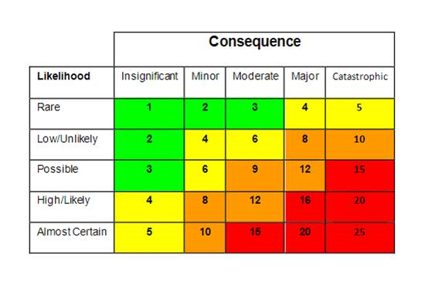

 |  | Please note your scoring below:

 |  | Consequence

 |  | Likelihood

 |  | Total Score:

Consequence: 1. Insignificant 2. Minor 3. Moderate 4. Major 5. Catastrophic
Likelihood: 1. Rare 2. Unlikely 3. Possible 4. Likely 5. Almost
 | A rating for mitigation and mitigated risk will then be automatically generated through the Monday.com function

